Ziv (2001)
Parameter |  | Ziv symbol | Ziv Description | Unit (Guo-Wu) | Description (Guo-Wu)
X |  |  |  | person | Susceptible
E |  |  |  | person | Early Latent stage (2 years)
L |  |  |  | person | Late Latent stage
T |  |  |  | person | Active TB (Only increased from individuals in X meeting with T)
R |  |  |  | person | Recovered

X0 |  |  |  | person | Susceptible: Foreign-born immigrant population in Canada 2001
E0 |  |  |  | person | Early Latent: Foreign-born immigrant population in Canada 2001
L0 |  |  |  | person | Late Latent: Foreign-born immigrant population in Canada 2001
T0 |  |  |  | person | Active: Foreign-born immigrant population in Canada 2001
R0 |  |  |  | person | Recovered: Foreign-born immigrant population in Canada 2001
Total

dX |  |  |  | person/year | natural removal rate for X (estimate)
dE |  |  |  | person/year | natural removal rate for E
dL |  |  |  | person/year | natural removal rate for L
dT |  |  |  | person/year | natural removal rate for T
dR |  |  |  | person/year | natural removal rate for R

α | 0.14 | mu_T | corresponding to a 50 percent death rate in 5 years for untreated active tuberculosis. | death/reported case | TB-induced death rate
δ |  |  |  | cured or treatment complete/reported cases | rate constant of recovery by nature or treatment
ω |  |  |  | progression/person/year | Early latent stage average progression rate
ν | 0.00256 |  | corresponding to 5 percent probability of development of disease over 20 years during the long-term LTBI stage | progression/person/year | Late latent stage progression rate (slow) 1% develop active TB in 50 years

p |  |  |  |  | Proportion of individuals who go directly to active TB from early latent
1-p |  |  |  |  | Proportion of individuals who go to late latent from early latent

π |  |  |  | person/year | average number of annual new immigrants to Canada
β | 7*10^(-6) |  | for a moderate epidemic (corresponding to seven new infections per infectious case per year) | transmissibility/person/year | transmission rate within foreign-born population in Canada
β' |  |  |  |  | transmission rate within foreign-born population Recovered Pop in Canada
q1 |  |  |  |  | percentage of new immigrants who are early latent
q2 |  |  |  |  | percentage of new immigrants who are late latent (q2 > q1?)

Figure 1 flow chart

 |  |  |  |  | No new immigrants with active TB because of strict immigration policies
 |  |  |  |  | q1^2 + q2^2 =/= 0
 |  |  |  |  | dX = natural removal rate for X (estimate)
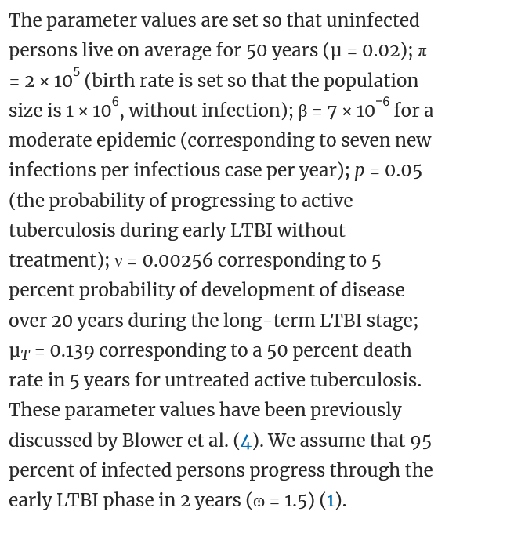
 |  |  |  |  | dX = dE = dL = dT = dR

